Composite
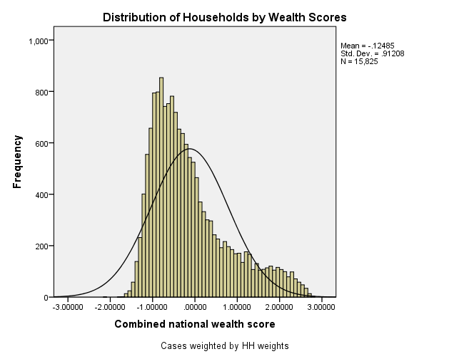
Combined Scores

 | Urban Area

 |  | Coefficientsa
 |  | Model |  | Unstandardized Coefficients |  | Standardized Coefficients | t | Sig.
 |  |  |  | B | Std. Error | Beta
 |  | 1 | (Constant) | 1.040 | 0.003 |  | 345.817 | 0.000
 |  |  | urbscore Urban wealth score | 0.939 | 0.003 | 0.978 | 312.367 | 0.000
 |  | a. Dependent Variable: comscore Common wealth score

 |  |  | Combined Score= 1.040 + .939 * Urban Score

 | Rural

 |  | Coefficientsa
 |  | Model |  | Unstandardized Coefficients |  | Standardized Coefficients | t | Sig.
 |  |  |  | B | Std. Error | Beta
 |  | 1 | (Constant) | -0.396 | 0.001 |  | -382.892 | 0.000
 |  |  | rurscore Rural wealth score | 0.670 | 0.001 | 0.987 | 647.656 | 0.000
 |  | a. Dependent Variable: comscore Common wealth score

 |  |  | Combined Score= -.396 + .670 * Rural Score

 | Combined Score

 |  | Statistics
 |  | combscor Combined national wealth score
 |  | N | Valid | 15825
 |  |  | Missing | 0
 |  | Mean |  | -0.1248527
 |  | Std. Error of Mean |  | 0.00725039
 |  | Median |  | -0.3694671
 |  | Mode |  | -1.08578
 |  | Std. Deviation |  | 0.91208111
 |  | Skewness |  | 1.052
 |  | Std. Error of Skewness |  | 0.019
 |  | Kurtosis |  | 0.445
 |  | Std. Error of Kurtosis |  | 0.039
 |  | Minimum |  | -2.16614
 |  | Maximum |  | 2.81303
 |  | Percentiles | 20 | -0.8856430
 |  |  | 40 | -0.5535097
 |  |  | 60 | -0.1547788
 |  |  | 80 | 0.5611908

 | histrogram

